Sheet1
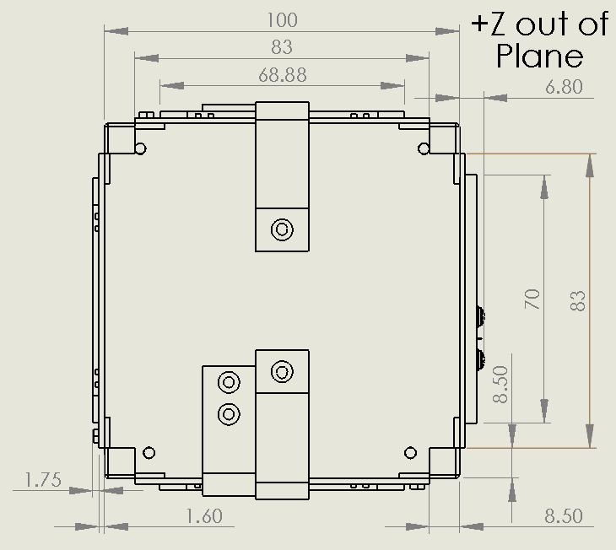
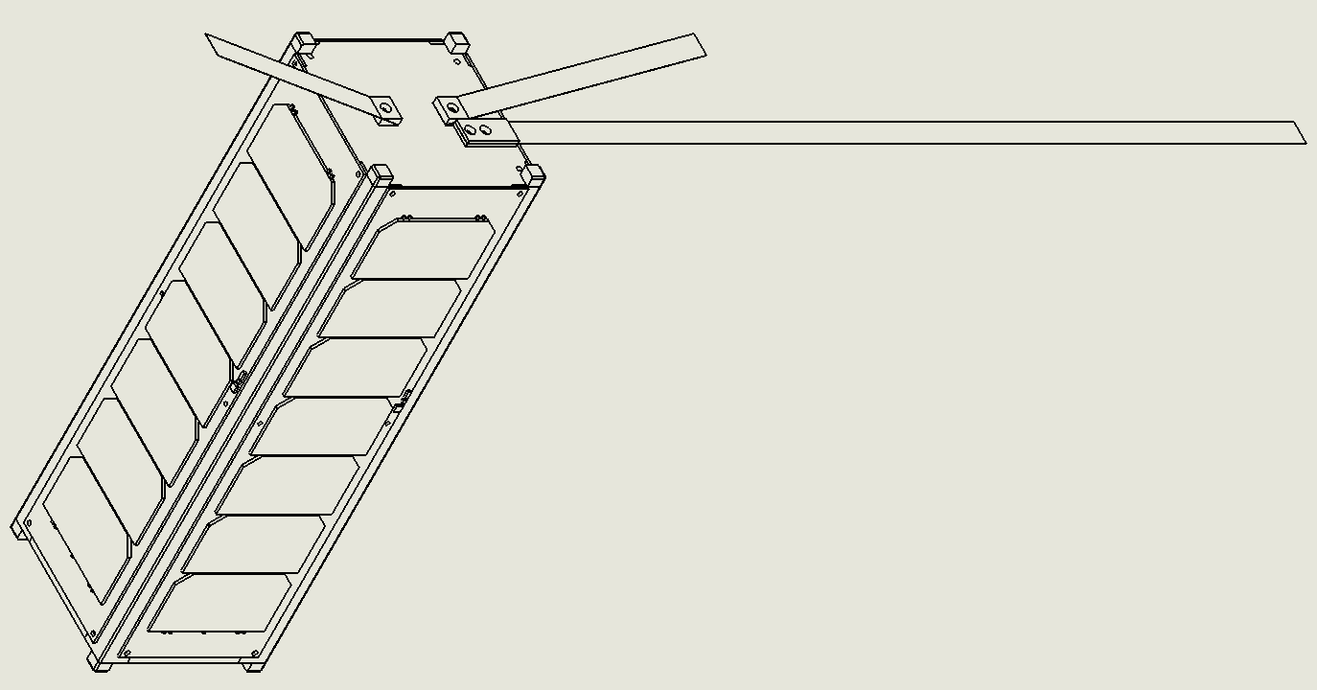
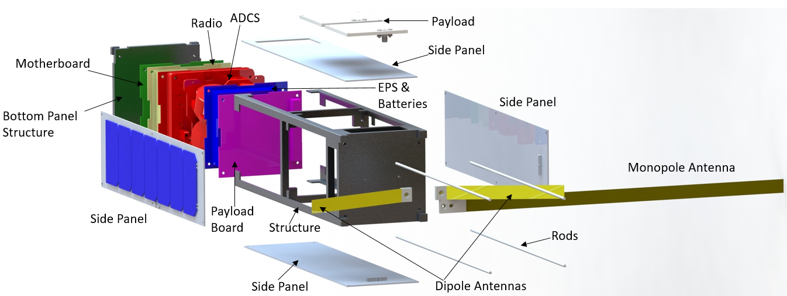
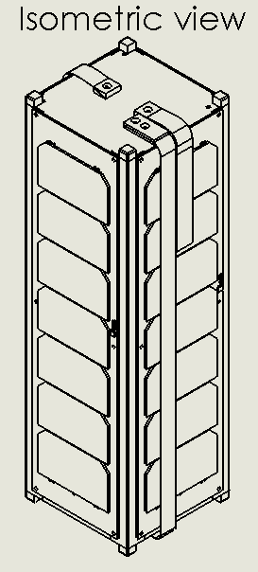
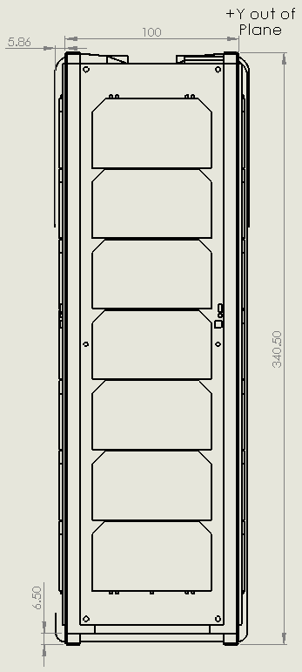
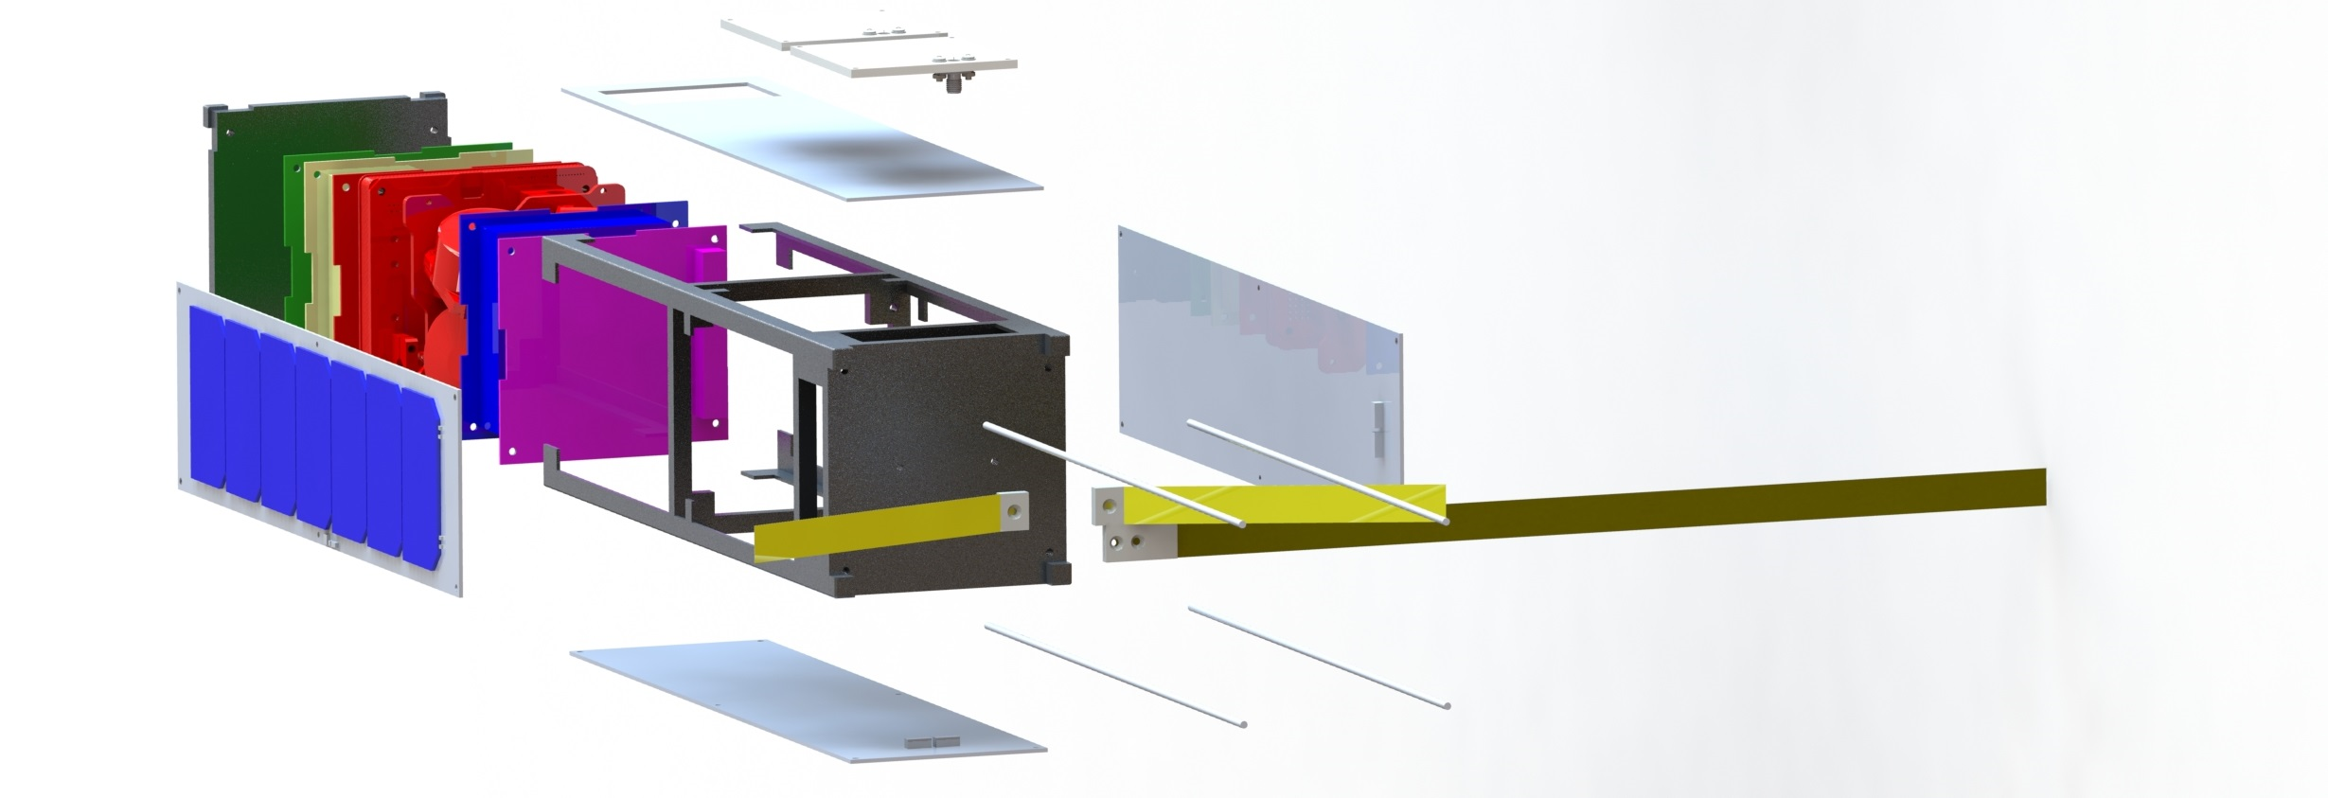
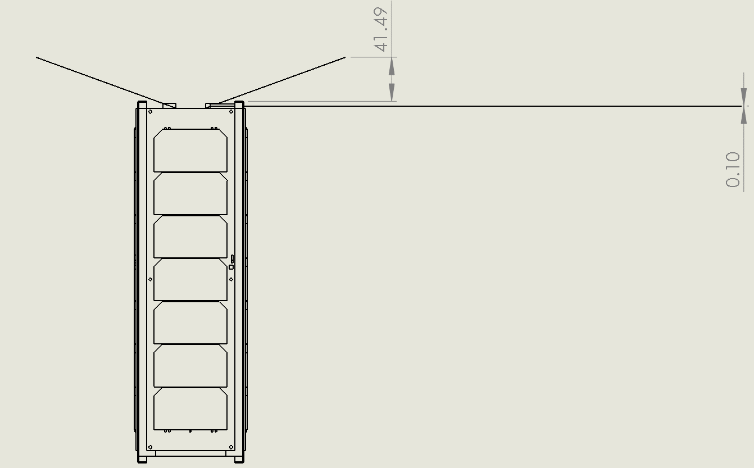
ELaNa CubeSat ODAR Template, Rev. 2.0, 9/25/17

Row Number | Name | External/Internal (Major/Minor Components) | Qty | Material | Body Type | Unit Mass (g) | Total Mass (g) | Diameter/ Width (mm) | Length (mm) | Height (mm)
1 | CubeSat Structure | External - Major | 1 | Aluminum 6061 | Box | 500 | 500 | 10 | 10 | 340.5
2 | Rods | Internal | 4 | 18-8 Stainless Steel | Cylinder | 20 | 80 | 3 | 340.5 | ---
3 | Standoffs | Internal | 28 | 18-8 Stainless Steel | Hollow Cylinder | 3 | 84 | 6 | 15 | ---
4 | Fasteners (2M) | External - Minor | 50 | 18-8 Stainless Steel | Screw | 0.8 | 40 | 2 | 5 | ---
5 | Separation Switches | External - Minor (Partially Internal) | 4 | Thermoplastic/Stainless Steel | Box | 7 | 28 | 3.378 | 20 | 12.268
6 | RBF Pin | External - Major | 1 | Stainless Steel | Pin | 17 | 17 | 4.67 | 22.6 | ---
7 | Separation Springs | External - Major | 2 | 316 Stainless Steel | Cylinder | 0.1 | 0.2 | 2.843 | 5.258 | ---
8 | Reaction Wheel | Internal - Major | 1 | Brass (flywheel), Alucoat 650 coated Aluminum (housing) | Box | 60 | 60 | 28 | 28 | 26.2
9 | Magnetometer - Deployment & Shell | External - Major | 1 | Alucoat 650 coated Aluminum | Box | 5 | 5 | 83.3 | 16.8 | 6.5
10 | Deployable Magnetometer - Boom | External - Major (dimensions double listed, but are for the entire magnetometer assembly) | 1 | Brass | Box | 2 | 2 | 83.3 | 16.8 | 6.5
11 | Course Sun Sensor | External - Minor | 6 | FR4 - Elpemer AS 2467 | Box | 1 | 6 | 3.7 | 10.8 | 1.5
12 | CubeTorquer (magnetorquer) | Internal - Major | 2 | Supra 50 (Core), Alucoat 650 Aluminum (caps), Enamel coated copper (windings) | Cylinder with box caps | 28 | 56 | 13.5 | 60 | 18
13 | Cubecoil (magnetorquer) | Internal - Major | 1 | Alucaot 650 Aluminum (body), Enamel coated copper (windings) | Plate | 46 | 46 | 90 | 96 | 8
14 | Cube Sense (fine sun sensor & nadir sensor, PCB) | Internal - Major | 1 | FR4 - Elpemer AS 2467 | Plate | 80 | 80 | 90 | 96 | 35
15 | CubeComputer (ADCS computer) | Internal - Major | 1 | FR4 - Elpemer AS 2467 | Plate | 56 | 56 | 90 | 96 | 10
16 | Cubecontrol | Internal - Major | 1 | FR4 - Elpemer AS 2467 |  | 60 | 60 | 90 | 96 | 30
17 | Battery | Internal - Major | 2 | Lithium-Ion Polymer | Box | 25 | 50 | 90.17 | 95.89 | 14
18 | Battery Board | Internal - Minor | 1 | PCB Material (FR4) | Box | 15.3 | 15.3
19 | Pin Headers | Internal - Minor | 9 | thermoplastic resin | Rectangle | 0.3 | 2.7
20 | Electronic Power System (EPS) | Internal - Major | 1 | PCB Material (FR4) | Box | 72 | 72 | 90.17 | 95.89 | 12.4
21 | Connectors | Internal - Minor | 1 | Black glass filled polyester | Rectangle | 31.6 | 31.6
22 | Solar Panels | External - Major | 6 | PCB Material (FR4) | Rectangle | approx | 60 | varies | varies | 1.6
23 | XTJ Prime Solar Cells | External - Major | 28 |  | Rectangle | 2.27 | 63.56 | 6.91 | 3.97 | 0.225
24 | TrosolX Solar Wing Solar Cells | External - Major | 12 |  | Triangle | 0.75 | 9 | 26.3 | 10 | 0.01
25 | Primary Radio | Internal - Major | 1 | Aluminum 6082 | Box | 90 | 90 | 90.18 | 95.89 | 14.56
26 | PCB | Internal - Major | 1 | FR-4 Substrate | Box | 54 | 54 | 96.52 | 90.17 | 1.6
27 | Microcontroller - STM32F411RC6 | Internal - Minor | 2 | Silica(Amorphous)A | Box | 0.35702 | 0.71404 | 12 | 12 | 1.6
28 | Memory | Internal - Minor | 4 | Silica(Amorphous)A | Integrated Circuit | 0.54 | 2.16 | 8.26 | 5.33 | 2.03
29 | Linear Voltage Regulator - AP7313 | Internal - Minor | 1 | Silica(Amorphous)A | Integrated Circuit | 0.008 | 0.008 | 2.4 | 2.9 | 1.025
30 | Buffer - SN74LS125ADR | Internal - Minor | 7 | Silica(Amorphous)A | Integrated Circuit | 0.129 | 0.903 | 8.2 | 10.5 | 2
31 | Buffer - PCA9517AD118 | Internal - Minor | 2 | Silica(Amorphous)A | Integrated Circuit | 0.0745 | 0.149 | 6.2 | 5 | 1.75
32 | Software-Defined Radio | Internal - Major | 1 | copper, Rogers 4003, FR4 370HR, stainless steel, etc. | box | 260
33 | Antennae | External - Major |  | flexible polymer | plate | 700 | 700 | 70 | 53
34 | Payload Board | Internal - Major | 1 | PCB layers, copper, etc | plate | 62

Guide/Descriptions of Each Column
Row Number: | List Components in decreasing importance (Follow Column C)
Name: | List you CubeSat first as the parent, and each component and subsystem associated with your CubeSat
External /Internal: | Rank CubeSat components from External to Internal and Major to Minor
Qty: | List the quantity of component
Material: | List the parent material for the component, specify alloy type if possible
Body Type: | List the general shape of the component
Unit Mass | List the mass a single component in grams
Total Mass | List the mass for the total quantify of this component in the satellite (Qty * Unit Mass) = Total mass
Dimensions: | List the Width/Length/Height in millimeters
Total System Mass | the sum of all the total mass should equal the cubesat's full listed mass in all documents.

Exterior Dimensions
Provided Engineering Drawings with exterior dimensions for both stowed and deployed configurations

